Notes
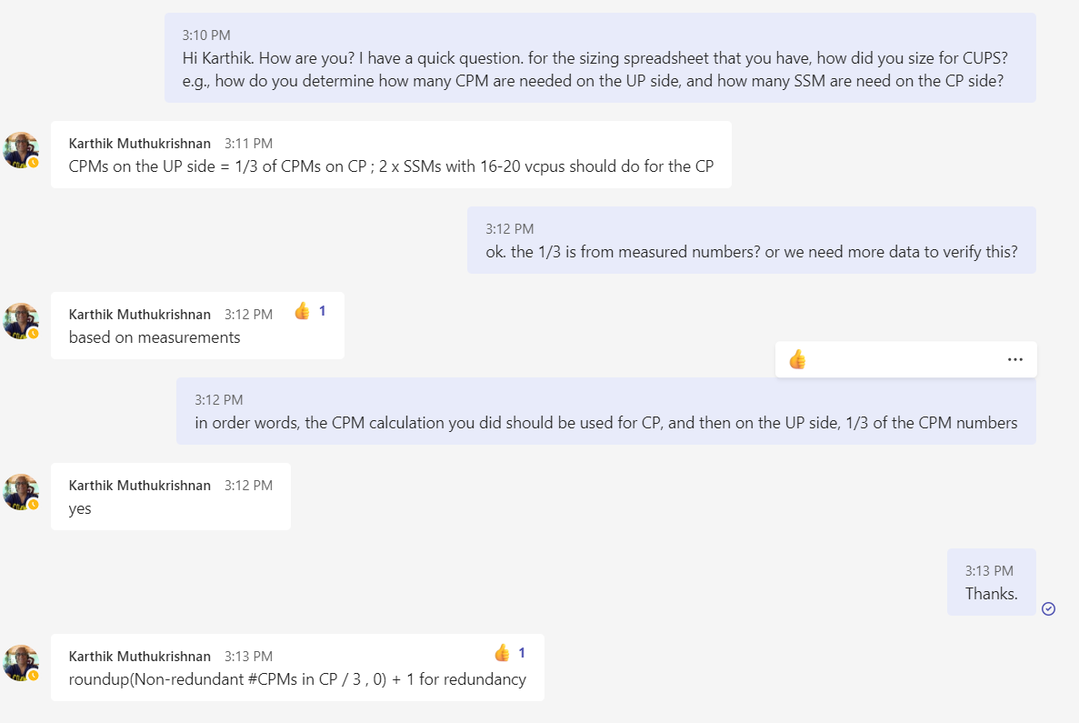
 | * limit on the max session per cluster
 | * max number of ISM/CPM per cluster

For integrated case
utilization on memory
utilization on CPU
IO limitation
Quickly visualize what is limiting the sizing, and suggest what can be changed to improve

Advanced tuning
throughput per vCPU on SHD
proxy throughput per vCPU
difference releases

AT&T Core Mapping
Core | systemCPUStats_core | R11 Function | R12 Function
0 | 1 | Linux1 | Linux1
1 | 2 | Linux2 | Linux2
2 | 3 | Linux3 | Linux3
3 | 4 | Linux4 | Linux4
4 | 5 | Linux5 | Linux5
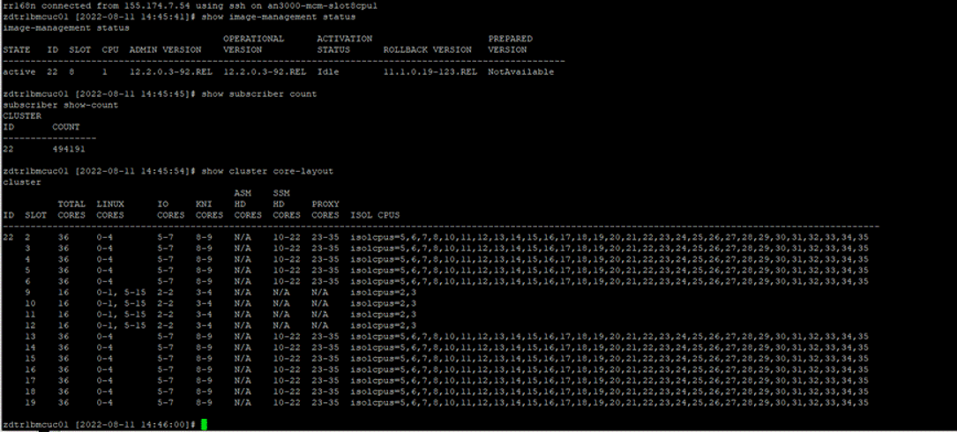
5 | 6 | Linux6 | io core rx_lb_tx_1
6 | 7 | io core rx_lb_tx | io core rx_lb_tx_2
7 | 8 | io core rx_lb_tx | io core rx_lb_tx_3
8 | 9 | io core rx_lb_tx | kni core
9 | 10 | kni core | kni core
10 | 11 | kni core | s-hd
11 | 12 | a-hd | s-hd
12 | 13 | s-hd | s-hd
13 | 14 | s-hd | s-hd
14 | 15 | s-hd | s-hd
15 | 16 | s-hd | s-hd
16 | 17 | s-hd | s-hd
17 | 18 | s-hd | s-hd
18 | 19 | s-hd | s-hd
19 | 20 | s-hd | s-hd
20 | 21 | s-hd | s-hd
21 | 22 | s-hd | s-hd
22 | 23 | s-hd | s-hd
23 | 24 | s-hd | proxy
24 | 25 | proxy | proxy
25 | 26 | proxy | proxy
26 | 27 | proxy | proxy
27 | 28 | proxy | proxy
28 | 29 | proxy | proxy
29 | 30 | proxy | proxy
30 | 31 | proxy | proxy
31 | 32 | proxy | proxy
32 | 33 | proxy | proxy
33 | 34 | proxy | proxy
34 | 35 | proxy | proxy
35 | 36 | proxy | proxy
36 | 37 | NA | NA
37 | 38 | NA | NA
38 | 39 | NA | NA
39 | 40 | NA | NA

Test&Deployment Inputs
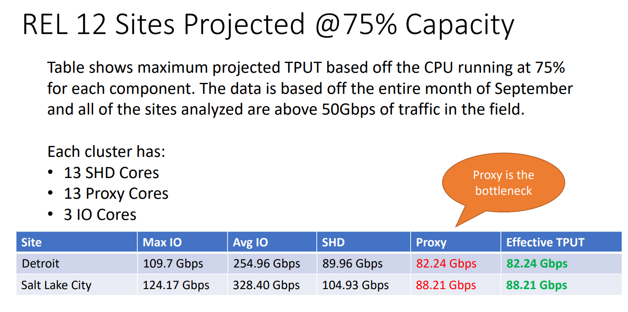
MCC Release used for sizing | 12.2
SSM HD Tput Max @ design util | 1.8 |  |  | R12 | SHD | Proxy
EW Tax | QA Lab data analyzed | 25% |  | Detriot | 0.5767 | 0.4481
NAT Impact | QA Lab data analyzed | 20% |  | Salt Lake City | 0.6726 | 0.4806
DPI Impact ( 100 - 150 HRG) | QA Lab data analyzed | 40%
 |  |  |  |  | 0.6246 | 0.4644
Field Effect | Blackbird | 25%
Blackbird Util max - UP | Blackbird | 75%
Blackbird Util max - CP | Blackbird | 70%

R12.2oR11.1 improvement | Blackbird | 20%
Applicable Improvement | Deployment | 20%
per SHD Gbps @ design max util (R12.2) | Blackbird | 0.625 |  |  |  | 63.75
per proxy Gbps @ design max util | Blackbird | 0.44 | 6.25 |  |  | 0.44270833333
per I/O Gbps | Blackbird | 8.00
Blackbird Proxy % | Blackbird | 85%

Blackbird - # SHD vCPUs | Blackbird | 12 |  |  | 0.52083333333
Blackbird - #proxy vCPUs | Blackbird | 12
Blackbord - Average Packet Size (Bytes) | Blackbird | 1200

CPM/DCM/CCM:
Blackbird - CP TPBH-Session | Blackbird | 80
Blackbird - CP Session Capacity per Cluster | Blackbird | 6,000,000
Blackbird - CP CPI pe cluster | Blackbird | 160
Blackbird - CP Session Capacity per CPI | Blackbird | 37,500
Blackb ird - CP Capacity - TPBH per CPI | Blackbird | 3,000,000
Blackbird - CPI Capacity - TPS | Blackbird | 833
Blackbird - #DCMs | Blackbird | 10
Blackbird per session Memory (kB) | Blackbird | 143
DCM/CPM on boot memory usage (GB) | release | 12.5

GTP Proxy CPM per session Memory (From VF) - KB | VF | 32
GTP Proxy SSM per session Memory (From Vf GTPProxy) - KB | VF | 64
GTP Proxy - APS - BYTES | VF | 500

UP SSM
UP per session mem on SSM (kB) | 1,500 | about 1500 for consumer, and 2000 for resellers as of July 2022.
UP per session mem on CPM (kB) | 250 | about 160 for consumer sites, and 250 for resellers as of July 2022.

